NJB
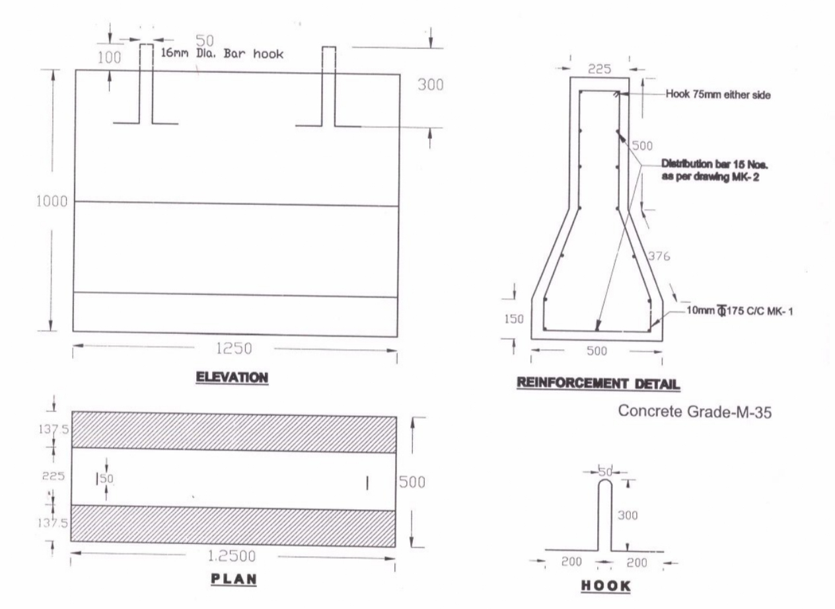
NJB |  |  |  |  |  |  |  |  |  | BBS
S.No | Description | Unit | Side | Nos | Measurement (M) |  |  | Quantity | Remarks | Sn | Bar Mark | Dia of bar | Unit Weight | Shape/Size | Space | Nos | Cutting Length | Total Length | Qty( Kg)
 |  |  |  |  | Length | Breadth | Depth |  |  | 1 | Mk-1 | 10 | 0.6172 |  | 175 | 7 | 2.402 | 16.814 | 10.3776008
1 | Casting of RCC new jercy crash barrier for traffic channelization at Toll plaza . (M-25) | Cum |  | 80.00 | 1.2 | 0.3625 | 1 | 34.8 |  | 2 | MK-2 | 8 | 0.395 |  | As per drwg | 15 | 1.15 | 17.25 | 6.81375
2 | Steel | Kg |  | 80.00 |  |  |  | 1627.602464 |  | 3 | Hook | 16 | 1.58 |  | As per drwg | 2 | 0.998 | 1.996 | 3.15368
 |  |  |  |  |  |  |  |  |  |  |  |  |  |  |  |  | Total |  | 20.3450308

